Fan Wiring Diagram
Fan Control Wiring Diagram | Connector Image
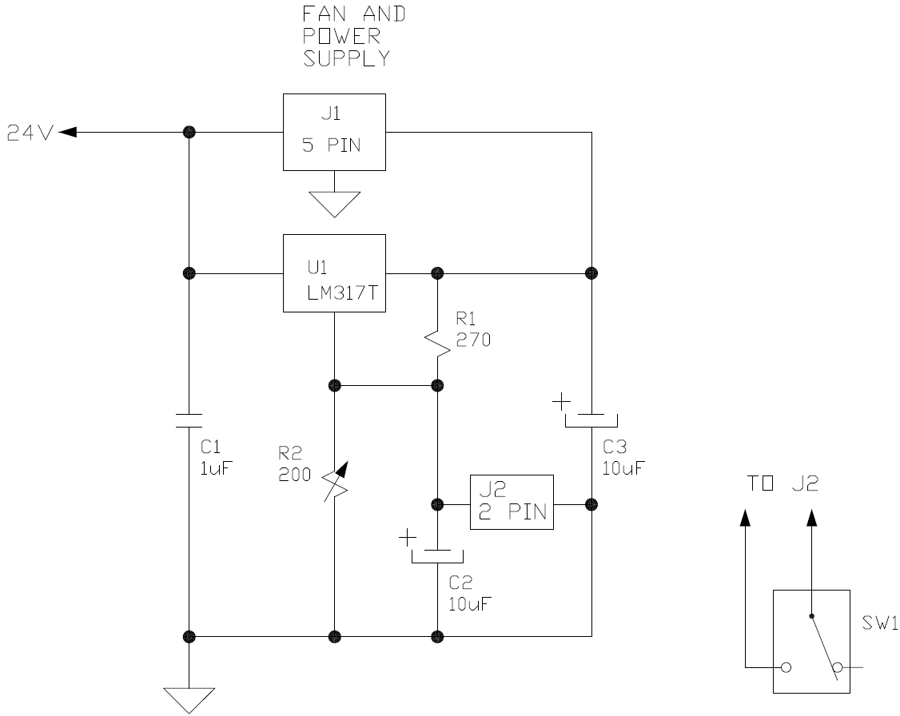 | 